Table 1
 | Important Questions |  |  | Answers |  |  |  | Why This Matters:
 | What is the overall deductible? |  |  | In-Network: Not Applicable. Out-of- Network: $500 Per Person/$1,000 Family. |  |  |  | Generally, you must pay all of the costs from providers up to the deductible amount before this plan begins to pay. If you have other family members on the plan, each family member must meet their own individual deductible until the total amount of deductible expenses paid by all family members meets the overall family deductible.
 | Are there services covered before you meet your deductible? |  |  | Yes. Preventive care. |  |  |  | This plan covers some items and services even if you haven’t yet met the deductible amount. But a copayment or coinsurance may apply. For example, this plan covers certain preventive services without cost sharing and before you meet your deductible. See a list of covered preventive services at www.healthcare.gov/coverage/preventive-care-benefits/.
 | Are there other deductibles for specific services? |  |  | Yes. $3,000 Pharmacy Deductible; . There are no other specific deductibles. |  |  |  | You must pay all of the costs for these services up to the specific deductible amount before this plan begins to pay for these services.
 | What is the out-of- pocket limit for this plan? |  |  | In-Network: $9,100 Per Person/$18,200 Family. Out-Of-Network: $18,200 Per Person/$36,400 Family. |  |  |  | The out-of-pocket limit is the most you could pay in a year for covered services. If you have other family members in this plan, they have to meet their own out-of-pocket limits until the overall family out-of-pocket limit has been met.
 | What is not included in the out-of-pocket limit? |  |  | Premium, balance-billed charges, and health care this plan doesn't cover. |  |  |  | Even though you pay these expenses, they don’t count toward the out–of–pocket limit.
 | Will you pay less if you use a network provider? |  |  | Yes. See https://providersearch.floridablue.com/pr ovidersearch/pub/index.htm or call 1- 800-352-2583 for a list of network providers. |  |  |  | This plan uses a provider network. You will pay less if you use a provider in the plan’s network. You will pay the most if you use an out-of-network provider, and you might receive a bill from a provider for the difference between the provider’s charge and what your plan pays (balance billing). Be aware your network provider might use an out-of-network provider for some services (such as lab work). Check with your provider before you get services.
 | Do you need a referral to see a specialist? |  |  | No. |  |  |  | You can see the specialist you choose without a referral.

Common Medical Event |  |  | Services You May Need |  |  | What You Will Pay |  |  |  |  |  | Limitations, Exceptions, & Other Important Information
 |  |  |  |  |  | Network Provider (You will pay the least) |  |  | Out-of-Network Provider (You will pay the most)
If you visit a health care provider’s office or clinic |  |  | Primary care visit to treat an injury or illness |  |  | Value Choice Provider: No Charge/ Primary Care Visits: $50 Copay per Visit/ Virtual Visits: No Charge |  |  | Deductible + 50% Coinsurance/ Virtual Visits: Not Covered |  |  | Physician administered drugs may have higher cost share. Virtual Visit services are only covered for In-Network providers.
 |  |  | Specialist visit |  |  | Value Choice Specialist: $20 Copay per Visit/ Specialist: $85 Copay per Visit/ Virtual Visits: $85 Copay per Visit |  |  | Deductible + 50% Coinsurance/ Virtual Visits: Not Covered |  |  | Physician administered drugs may have higher cost share. Virtual Visit services are only covered for In-Network providers.
 |  |  | Preventive care/screening/ immunization |  |  | No Charge |  |  | 50% Coinsurance |  |  | Physician administered drugs may have higher cost share. You may have to pay for services that aren’t preventive. Ask your provider if the services needed are preventive. Then check what your plan will pay for.
If you have a test |  |  | Diagnostic test (x-ray, blood work) |  |  | Independent Clinical Lab: $60 Copay per Visit/ Independent Diagnostic Testing Center: $150 Copay per Visit |  |  | Independent Clinical Lab: Not Covered/ Independent Diagnostic Testing Center: Deductible + 50% Coinsurance |  |  | Tests performed in hospitals may have higher cost share.
 |  |  | Imaging (CT/PET scans, MRIs) |  |  | $300 Copay per Visit |  |  | Deductible + 50% Coinsurance |  |  | Tests performed in hospitals may have higher cost share. Prior Authorization may be required. Your benefits/services may be denied.
Common Medical Event |  |  | Services You May Need |  |  | What You Will Pay |  |  |  |  |  | Limitations, Exceptions, & Other Important Information
 |  |  |  |  |  | Network Provider (You will pay the least) |  |  | Out-of-Network Provider (You will pay the most)
If you need drugs to treat your illness or condition More information about prescription drug coverage is available at https://www.floridabl ue.com/members/to ols- resources/pharmac y/medication-guide |  |  | Generic drugs |  |  | Preventive: No Charge (retail/mail order)/ Condition Care Rx: $4 Copay per Prescription (retail)/ All Other Generic: $30 Copay per Prescription (retail) |  |  | Not Covered |  |  | Up to 30 day supply for retail, 90 day supply for mail order at 2 1/2 times the retail amount. Responsible Rx programs such as Prior Authorization may apply. See Medication guide for more information.
 |  |  | Preferred brand drugs |  |  | Condition Care Rx: $35 Copay per Prescription (retail)/ All Other Preferred Brand: $200 Copay per Prescription (retail) |  |  | Not Covered |  |  | Up to 30 day supply for retail, 90 day supply for mail order at 2 1/2 times the retail amount.
 |  |  | Non-preferred brand drugs |  |  | $3,000 Pharmacy Deductible + 50% Coinsurance (retail/mail order) |  |  | Not Covered |  |  | Up to 30 day supply for retail, 90 day supply for mail order at 2 1/2 times the retail amount.
 |  |  | Specialty drugs |  |  | $3,000 Pharmacy Deductible + 50% Coinsurance (retail) |  |  | Not Covered |  |  | Up to 30 day supply for retail. Not covered through Mail Order.
If you have outpatient surgery |  |  | Facility fee (e.g., ambulatory surgery center) |  |  | Ambulatory Surgical Center: $1,000 Copay per Visit/ Hospital: $1,500 Copay per Visit |  |  | Deductible + 50% Coinsurance |  |  | ––––––––none––––––––
 |  |  | Physician/surgeon fees |  |  | Deductible + 50% Coinsurance |  |  | In-Network Deductible + 50% Coinsurance |  |  | ––––––––none––––––––
If you need immediate medical attention |  |  | Emergency room care |  |  | $900 Copay per Visit |  |  | $900 Copay per Visit |  |  | ––––––––none––––––––
 |  |  | Emergency medical transportation |  |  | Deductible + 50% Coinsurance |  |  | In-Network Deductible + 50% Coinsurance |  |  | ––––––––none––––––––
 |  |  | Urgent care |  |  | Value Choice Provider: No Charge - Visits 1-2;$85 Copay per remaining Visit/ Urgent Care Visits: $85 Copay per Visit |  |  | Deductible + $85 Copay per Visit |  |  | ––––––––none––––––––
If you have a hospital stay |  |  | Facility fee (e.g., hospital room) |  |  | $3,000 Copay per Day / $6,000 maximum |  |  | Deductible + 50% Coinsurance |  |  | Inpatient Rehab Services limited to 30 days. Inpatient Habilitation Services limited to 30 days.
 |  |  | Physician/surgeon fees |  |  | Deductible + 50% Coinsurance |  |  | In-Network Deductible + 50% Coinsurance |  |  | ––––––––none––––––––
Common Medical Event |  |  | Services You May Need |  |  | What You Will Pay |  |  |  |  |  | Limitations, Exceptions, & Other Important Information
 |  |  |  |  |  | Network Provider (You will pay the least) |  |  | Out-of-Network Provider (You will pay the most)
If you need mental health, behavioral health, or substance abuse services |  |  | Outpatient services |  |  | $85 Copay per Visit/ Specialist Virtual Visits: No Charge/ Hospital: $1,500 Copay per Visit |  |  | Deductible + 50% Coinsurance/ Specialist Virtual Visits: Not Covered |  |  | Virtual Visit services are only covered for In- Network providers.
 |  |  | Inpatient services |  |  | Physician Services: $150 Copay per Visit / Hospital: $3,000 Copay per Day / $6,000 maximum |  |  | Physician Services: Deductible + 50% Coinsurance/ Hospital: No Charge after Deductible |  |  | Prior Authorization may be required. Your benefits/services may be denied.
If you are pregnant |  |  | Office visits |  |  | $85 Copay on initial Visit |  |  | Deductible + 50% Coinsurance |  |  | Maternity care may include tests and services described elsewhere in the SBC (i.e. ultrasound.)
 |  |  | Childbirth/delivery professional services |  |  | Deductible + 50% Coinsurance |  |  | In-Network Deductible + 50% Coinsurance |  |  | ––––––––none––––––––
 |  |  | Childbirth/delivery facility services |  |  | $3,000 Copay per Day / $6,000 maximum |  |  | Deductible + 50% Coinsurance |  |  | ––––––––none––––––––
If you need help recovering or have other special health needs |  |  | Home health care |  |  | No Charge |  |  | Not Covered |  |  | Coverage limited to 60 visits.
 |  |  | Rehabilitation services |  |  | $85 Copay per Visit |  |  | Deductible + 50% Coinsurance |  |  | Coverage limited to 35 visits, including 35 manipulations. Services performed in hospital may have higher cost share. Prior Authorization may be required. Your benefits/services may be denied.
 |  |  | Habilitation services |  |  | $85 Copay per Visit |  |  | Deductible + 50% Coinsurance |  |  | Coverage limited to 35 visits. Services performed in hospital may have higher cost share. Prior Authorization may be required. Your benefits/services may be denied.
 |  |  | Skilled nursing care |  |  | Deductible + 50% Coinsurance |  |  | Deductible + 50% Coinsurance |  |  | Coverage limited to 60 days.
 |  |  | Durable medical equipment |  |  | Motorized Wheelchairs: $500 Copay per Visit/ All Other: No Charge |  |  | Not Covered |  |  | Excludes vehicle modifications, home modifications, exercise, bathroom equipment and replacement of DME due to use/age.
 |  |  | Hospice services |  |  | No Charge |  |  | Deductible + 50% Coinsurance |  |  | ––––––––none––––––––
If your child needs |  |  | Children’s eye exam |  |  | No Charge |  |  | Not Covered |  |  | One exam every 12 months.
Common Medical Event |  |  | Services You May Need |  |  | What You Will Pay |  |  |  |  |  | Limitations, Exceptions, & Other Important Information
 |  |  |  |  |  | Network Provider (You will pay the least) |  |  | Out-of-Network Provider (You will pay the most)
dental or eye care |  |  | Children’s glasses |  |  | No Charge |  |  | Not Covered |  |  | One pair every 12 months. Additional cost shares may apply for Non-Collection Frame.
 |  |  | Children’s dental check-up |  |  | Not Covered |  |  | Not Covered |  |  | Not Covered
Excluded Services & Other Covered Services:
Services Your Plan Generally Does NOT Cover (Check your policy or plan document for more information and a list of any other excluded services.)
• Acupuncture • Infertility treatment • Private-duty nursing • Bariatric surgery • Long-term care • Routine eye care (Adult) • Cosmetic surgery • Non-excepted abortions (i.e., not medically • Routine foot care unless medically necessary • Dental care (Adult) necessary) • Weight loss programs • Hearing aids • Pediatric dental check-up

Other Covered Services (Limitations may apply to these services. This isn’t a complete list. Please see your plan document.)
• Chiropractic care - Limited to 35 visits • Most coverage provided outside the United • Non-emergency care when traveling outside the States. See www.floridablue.com. U.S.
Your Rights to Continue Coverage: There are agencies that can help if you want to continue your coverage after it ends. The contact information for those agencies is: Department of Labor's Employee Benefits Security Administration at 1-866-444-EBSA (3272) or www.dol.gov/agencies/ebsa/about-ebsa/ask-a- question/ask-ebsa, State consumer assistance program www.cms.gov/CCIIO/Resources/Consumer-Assistance-Grants/, Office of Personnel Management Multi State Plan Program: www.opm.gov/healthcare-insurance/multi-state-plan-program/external-review/. Or Healthcare.gov www.HealthCare.gov or call 1-800-318-2596 OR state health insurance marketplace or SHOP. Other coverage options may be available to you too, including buying individual insurance coverage through the Health Insurance Marketplace. For more information about the Marketplace, visit www.HealthCare.gov or call 1-800-318-2596.
Your Grievance and Appeals Rights: There are agencies that can help if you have a complaint against your plan for a denial of a claim. This complaint is called a grievance or appeal. For more information about your rights, look at the explanation of benefits you will receive for that medical claim. Your plan documents also provide complete information to submit a claim, appeal, or a grievance for any reason to your plan. For more information about your rights, this notice, or assistance, contact the insurer at 1-800-352-2583. You may also contact your State Department of Insurance at 1-877-693-5236. Additionally, a consumer assistance program can help you file your appeal. Contact U.S. Department of Labor Employee Benefits Security Administration at 1-866-4-USA-DOL (866-487-2365) or www.dol.gov/ebsa/healthreform.
Does this plan provide Minimum Essential Coverage? Yes Minimum Essential Coverage generally includes plans, health insurance available through the Marketplace or other individual market policies, Medicare, Medicaid, CHIP, TRICARE, and certain other coverage. If you are eligible for certain types of Minimum Essential Coverage, you may not be eligible for the premium tax credit.
Does this plan meet the Minimum Value Standards? Not Applicable If your plan doesn’t meet the Minimum Value Standards, you may be eligible for a premium tax credit to help you pay for a plan through the Marketplace.
––––––––––––––––––––––To see examples of how this plan might cover costs for a sample medical situation, see the next section.––––––––––––––––––––––
About these Coverage Examples:
This is not a cost estimator. Treatments shown are just examples of how this plan might cover medical care. Your actual costs will be different depending on the actual care you receive, the prices your providers charge, and many other factors. Focus on the cost sharing amounts (deductibles, copayments and coinsurance) and excluded services under the plan. Use this information to compare the portion of costs you might pay under different health plans. Please note these coverage examples are based on self-only coverage.

Peg is Having a Baby (9 months of in-network pre-natal care and a hospital delivery) |  |  |  |  |  |  | Managing Joe’s type 2 Diabetes (a year of routine in-network care of a well- controlled condition) |  |  |  | Mia’s Simple Fracture (in-network emergency room visit and follow up care)
■ The plan’s overall deductible $0  Specialist Copayment $85  Hospital (facility) Copayment $3,000  Other Copayment $60 |  |  |  |  |  |  | ■ The plan’s overall deductible $0  Specialist Copayment $85  Hospital (facility) Copayment $3,000  Other No Charge $0 |  |  |  | ■ The plan’s overall deductible $0  Specialist Copayment $85  Hospital (facility) Copayment $3,000  Other Copayment $900
This EXAMPLE event includes services like: Specialist office visits (prenatal care) Childbirth/Delivery Professional Services Childbirth/Delivery Facility Services Diagnostic tests (ultrasounds and blood work) Specialist visit (anesthesia) |  |  |  |  |  |  | This EXAMPLE event includes services like: Primary care physician office visits (including disease education) Diagnostic tests (blood work) Prescription drugs Durable medical equipment (glucose meter) |  |  |  | This EXAMPLE event includes services like: Emergency room care (including medical supplies) Diagnostic test (x-ray) Durable medical equipment (crutches) Rehabilitation services (physical therapy)
Total Example Cost |  |  |  |  | $12,700 |  | Total Example Cost |  |  | $5,600 | Total Example Cost |  | $2,800
In this example, Peg would pay: |  |  |  |  |  |  | In this example, Joe would pay: |  |  |  | In this example, Mia would pay:
Cost Sharing |  |  |  |  |  |  | Cost Sharing |  |  |  | Cost Sharing
Deductibles |  |  |  |  | $0 |  | Deductibles* |  |  | $0 | Deductibles |  | $0
Copayments |  |  |  |  | $3,300 |  | Copayments |  |  | $4,200 | Copayments |  | $1,000
Coinsurance |  |  |  |  | $700 |  | Coinsurance |  |  | $0 | Coinsurance |  | $500
What isn’t covered |  |  |  |  |  |  | What isn’t covered |  |  |  | What isn’t covered
Limits or exclusions |  |  |  |  | $60 |  | Limits or exclusions |  |  | $20 | Limits or exclusions |  | $0
The total Peg would pay is |  |  |  |  | $4,060 |  | The total Joe would pay is |  |  | $4,220 | The total Mia would pay is |  | $1,500

Note: These numbers assume the patient does not participate in the plan’s wellness program. If you participate in the plan’s wellness program, you may be able to reduce your costs. For more information about the wellness program, please contact: www.floridablue.com.

 |  | 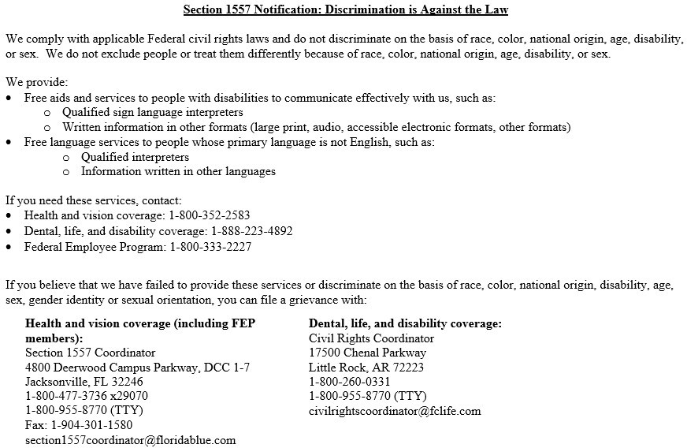

 |  | 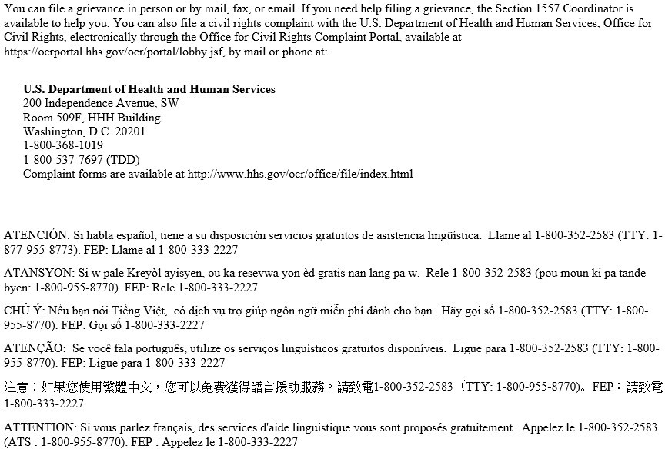

 |  | 

